Territories
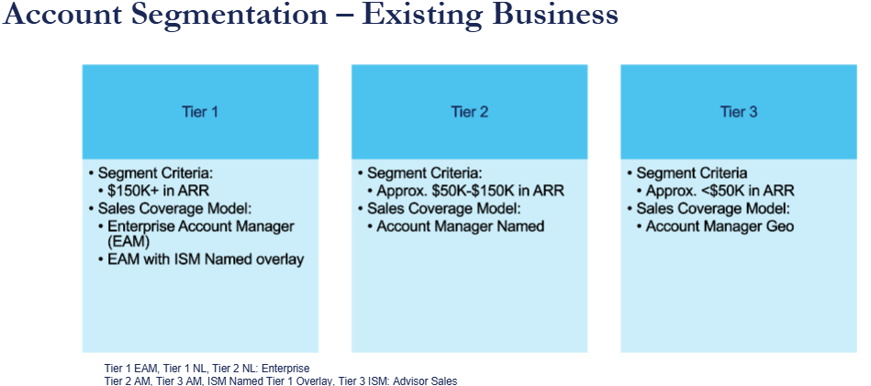
 | Sales Rep Name | Rep Email | Role | New Territory | Manager
AM Tier 1 | Justin Houchens | jhouchens@emoneyadvisor.com | ST - AM Tier 1 | AM Tier 1 - T1 | Todd Kowalksi
 | Lisamarie Roberto | lroberto@emoneyadvisor.com | ST - AM Tier 1 | AM Tier 1 - T2 | Todd Kowalksi
 | Shannon Granahan | sgranahan@emoneyadvisor.com | ST - AM Tier 1 | AM Tier 1 - T3 | Todd Kowalksi
 | Liem Nguyen | Lnguyen@emoneyadvisor.com | ST - AM Tier 1 | AM Tier 1 - T4 | Todd Kowalksi
AM Tier 2 | Larry Romano | larryr@emoneyadvisor.com | ST - AM Tier 2 | AM Tier 2 - T1 | Tim Konrad
 | Julie Walker | jwalker@emoneyadvisor.com | ST - AM Tier 2 | AM Tier 2 - T2 | Tim Konrad
 | Eric Murphy | emurphy@emoneyadvisor.com | ST - AM Tier 2 | AM Tier 2 - T3 | Tim Konrad
AM Tier 3 | Katheryn Valdez | kvaldez@emoneyadvisor.com | ST - AM Tier 3 | AM Tier 3 - T1 | Tim Konrad
 | Nick Sabo | nsabo@emoneyadvisor.com | ST - AM Tier 3 | AM Tier 3 - T2 | Tim Konrad
 | Edward Donovan | edonovan@emoneyadvisor.com | ST - AM Tier 3 | AM Tier 3 - T3 | Tim Konrad
 | Casey Eddy | ceddy@emoneyadvisor.com | ST - AM Tier 3 | AM Tier 3 - T4 | Tim Konrad
 | Patrick Kennedy | pkennedy@emoneyadvisor.com | ST - AM Tier 3 | AM Tier 3 - T5 | Tim Konrad
 | Stephanie Giles | sgiles@emoneyadvisor.com | ST - AM Tier 3 | AM Tier 3 - T6 | Tim Konrad
 | Cassandra Bahne | cbahne@emoneyadvisor.com | ST - AM Tier 3 | AM Tier 3 - T7 | Tim Konrad
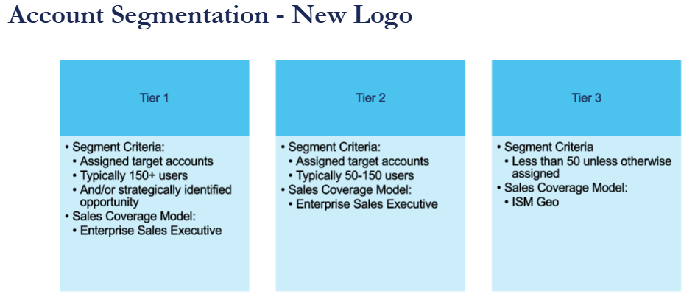
NL Tier 3 | Lucas Flavin | lflavin@emoneyadvisor.com | ST - NL Tier 3 | NL Tier 3 - T1 | John Caputo
 | John Caputo | jcaputo@emoneyadvisor.com | ST - NL Tier 3 | NL Tier 3 - T2 | Caroline Grasso
 | Hunter Campbell | hcampbell@emoneyadvisor.com | ST - NL Tier 3 | NL Tier 3 - T3 | John Caputo
 | Jonathan Karp | jkarp@emoneyadvisor.com | ST - NL Tier 3 | NL Tier 3 - T4 | John Caputo
 | Thomas Cetina | tcetina@emoneyadvisor.com | ST - NL Tier 3 | NL Tier 3 - T5 | John Caputo
Named | Megan Murphy | mmurphy@emoneyadvisor.com | ST - Named | Named - T1 | Kristina Gudelis/Caroline Grasso
 | Jeff DiGiovanni | jdigiovanni@emoneyadvisor.com | ST - Named | Named - T2 | Kristina Gudelis/Caroline Grasso
 | Sarah Burson | sburson@emoneyadvisor.com | ST - Named | Named - T3 | Kristina Gudelis/Caroline Grasso
 | Hank Cassa | hcassa@emoneyadvisor.com | ST - Named | Named - T4 | Kristina Gudelis/Caroline Grasso
 | Anthony DeMarco | ademarco@emoneyadvisor.com | ST - Named | Named - T5 | Kristina Gudelis/Caroline Grasso

AM Tier 3
State | State AB | AM | AM Territory
Alabama | AL | Patrick Kennedy | AM Tier 3 - T5
Alaska | AK | Cassandra Bahne | AM Tier 3 - T7
Arizona | AZ | Casey Eddy | AM Tier 3 - T4
Arkansas | AR | Patrick Kennedy | AM Tier 3 - T5
California | CA | Casey Eddy | AM Tier 3 - T4
Colorado | CO | Cassandra Bahne | AM Tier 3 - T7 | Territory 1 | Territory 2 | Territory 3 | Territory 4 | Territory 5 | Territory 6 | Territory 7
Connecticut | CT | Edward Donovan | AM Tier 3 - T3 | Katheryn Valdez | Nick Sabo | Ned Donovan | Casey Eddy | Patrick Kennedy | Stephanie Giles | Cassie Bahne
Delaware | DE | Nick Sabo | AM Tier 3 - T2
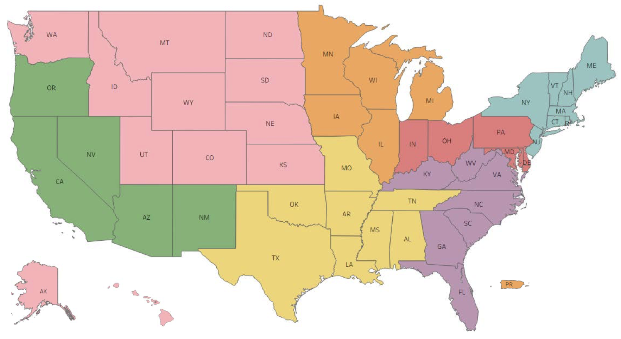
Florida | FL | Stephanie Giles | AM Tier 3 - T6
Georgia | GA | Stephanie Giles | AM Tier 3 - T6
Hawaii | HI | Cassandra Bahne | AM Tier 3 - T7
Idaho | ID | Cassandra Bahne | AM Tier 3 - T7
Illinois | IL | Katheryn Valdez | AM Tier 3 - T1
Indiana | IN | Nick Sabo | AM Tier 3 - T2
Iowa | IA | Katheryn Valdez | AM Tier 3 - T1
Kansas | KS | Cassandra Bahne | AM Tier 3 - T7
Kentucky | KY | Stephanie Giles | AM Tier 3 - T6
Louisiana | LA | Patrick Kennedy | AM Tier 3 - T5
Maine | ME | Edward Donovan | AM Tier 3 - T3
Maryland | MD | Nick Sabo | AM Tier 3 - T2
Massachusetts | MA | Edward Donovan | AM Tier 3 - T3
Michigan | MI | Katheryn Valdez | AM Tier 3 - T1
Minnesota | MN | Katheryn Valdez | AM Tier 3 - T1
Mississippi | MS | Patrick Kennedy | AM Tier 3 - T5
Missouri | MO | Patrick Kennedy | AM Tier 3 - T5
Montana | MT | Cassandra Bahne | AM Tier 3 - T7
Nebraska | NE | Cassandra Bahne | AM Tier 3 - T7
Nevada | NV | Casey Eddy | AM Tier 3 - T4
New Hampshire | NH | Edward Donovan | AM Tier 3 - T3
New Jersey | NJ | Edward Donovan | AM Tier 3 - T3
New Mexico | NM | Casey Eddy | AM Tier 3 - T4
New York | NY | Edward Donovan | AM Tier 3 - T3
North Carolina | NC | Stephanie Giles | AM Tier 3 - T6
North Dakota | ND | Cassandra Bahne | AM Tier 3 - T7
Ohio | OH | Nick Sabo | AM Tier 3 - T2
Oklahoma | OK | Patrick Kennedy | AM Tier 3 - T5
Oregon | OR | Casey Eddy | AM Tier 3 - T4
Pennsylvania | PA | Nick Sabo | AM Tier 3 - T2
Rhode Island | RI | Edward Donovan | AM Tier 3 - T3
South Carolina | SC | Stephanie Giles | AM Tier 3 - T6
South Dakota | SD | Cassandra Bahne | AM Tier 3 - T7
Tennessee | TN | Patrick Kennedy | AM Tier 3 - T5
Texas | TX | Patrick Kennedy | AM Tier 3 - T5
Utah | UT | Cassandra Bahne | AM Tier 3 - T7
Vermont | VT | Edward Donovan | AM Tier 3 - T3
Virginia | VA | Stephanie Giles | AM Tier 3 - T6
Washington | WA | Cassandra Bahne | AM Tier 3 - T7
West Virginia | WV | Stephanie Giles | AM Tier 3 - T6
Wisconsin | WI | Katheryn Valdez | AM Tier 3 - T1
Wyoming | WY | Cassandra Bahne | AM Tier 3 - T7
Puerto Rico | PR | Katheryn Valdez | AM Tier 3 - T1
Washington, D.C. | DC
Washington DC | DC | Nick Sabo | AM Tier 3 - T2
DC | DC
D.C | DC
Washington D.C. | DC
Washington, DC | DC
District of Columbia | DC

NL Tier 3
State | State AB | ISM GEO | ISM Geo Territory
Alabama | AL | Jonathan Karp | NL Tier 3 - T4
Alaska | AK | Lucas Flavin | NL Tier 3 - T1
Arizona | AZ | John Caputo | NL Tier 3 - T2
Arkansas | AR | Jonathan Karp | NL Tier 3 - T4 | Territory 1 | Territory 2 | Territory 3 | Territory 4 | Territory 5
California | CA | Lucas Flavin | NL Tier 3 - T1 | Lucas Flavin | John Caputo | Hunter Campbell | Jonathan Karp | Thomas Cetina
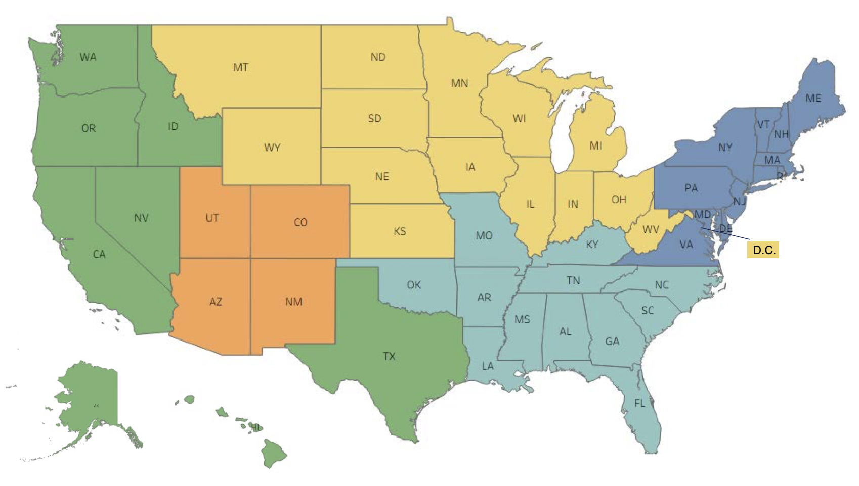
Colorado | CO | John Caputo | NL Tier 3 - T2
Connecticut | CT | Hunter Campbell | NL Tier 3 - T3
Delaware | DE | Hunter Campbell | NL Tier 3 - T3
Florida | FL | Jonathan Karp | NL Tier 3 - T4
Georgia | GA | Jonathan Karp | NL Tier 3 - T4
Hawaii | HI | Lucas Flavin | NL Tier 3 - T1
Idaho | ID | Lucas Flavin | NL Tier 3 - T1
Illinois | IL | Thomas Cetina | NL Tier 3 - T5
Indiana | IN | Thomas Cetina | NL Tier 3 - T5
Iowa | IA | Thomas Cetina | NL Tier 3 - T5
Kansas | KS | Thomas Cetina | NL Tier 3 - T5
Kentucky | KY | Jonathan Karp | NL Tier 3 - T4
Louisiana | LA | Jonathan Karp | NL Tier 3 - T4
Maine | ME | Hunter Campbell | NL Tier 3 - T3
Maryland | MD | Hunter Campbell | NL Tier 3 - T3
Massachusetts | MA | Hunter Campbell | NL Tier 3 - T3
Michigan | MI | Thomas Cetina | NL Tier 3 - T5
Minnesota | MN | Thomas Cetina | NL Tier 3 - T5
Mississippi | MS | Jonathan Karp | NL Tier 3 - T4
Missouri | MO | Jonathan Karp | NL Tier 3 - T4
Montana | MT | Thomas Cetina | NL Tier 3 - T5
Nebraska | NE | Thomas Cetina | NL Tier 3 - T5
Nevada | NV | Lucas Flavin | NL Tier 3 - T1
New Hampshire | NH | Hunter Campbell | NL Tier 3 - T3
New Jersey | NJ | Hunter Campbell | NL Tier 3 - T3
New Mexico | NM | John Caputo | NL Tier 3 - T2
New York | NY | Hunter Campbell | NL Tier 3 - T3
North Carolina | NC | Jonathan Karp | NL Tier 3 - T4
North Dakota | ND | Thomas Cetina | NL Tier 3 - T5
Ohio | OH | Thomas Cetina | NL Tier 3 - T5
Oklahoma | OK | Jonathan Karp | NL Tier 3 - T4
Oregon | OR | Lucas Flavin | NL Tier 3 - T1
Pennsylvania | PA | Hunter Campbell | NL Tier 3 - T3
Rhode Island | RI | Hunter Campbell | NL Tier 3 - T3
South Carolina | SC | Jonathan Karp | NL Tier 3 - T4
South Dakota | SD | Thomas Cetina | NL Tier 3 - T5
Tennessee | TN | Jonathan Karp | NL Tier 3 - T4
Texas | TX | Lucas Flavin | NL Tier 3 - T1
Utah | UT | John Caputo | NL Tier 3 - T2
Vermont | VT | Hunter Campbell | NL Tier 3 - T3
Virginia | VA | Hunter Campbell | NL Tier 3 - T3
Washington | WA | Lucas Flavin | NL Tier 3 - T1
West Virginia | WV | Thomas Cetina | NL Tier 3 - T5
Wisconsin | WI | Thomas Cetina | NL Tier 3 - T5
Wyoming | WY | Thomas Cetina | NL Tier 3 - T5
Puerto Rico | PR | Thomas Cetina | NL Tier 3 - T5
Washington, D.C. | DC | Thomas Cetina | NL Tier 3 - T5
Washington DC | DC | Thomas Cetina | NL Tier 3 - T5
DC | DC
D.C | DC
Washington D.C. | DC
Washington, DC | DC
District of Columbia | DC

